Title Page
Instacart Grocery Basket Analysis

Project Name: Instacart Grocery Basket Analysis
Date: 07.07.2023
Analyst Name: Jinal

Contents:
Population Flow
Consistency checks
Wrangling steps
Column derivations
Visualizations
Recommendations

Data Citation:
Customer data, as well as the "prices" data, were both fabricated for the purpose of this project.
“The Instacart Online Grocery Shopping Dataset 2017”, Accessed from www.instacart.com/datasets/grocery-shopping-2017 via Kaggle on [date].

Population flow
Title page

Population flow

Exclusion flag
Condition: max_order < 5
Obervations to be removed: 1440295
Final total count of order_products_all: 30629741

Orders_products_combined
Orders_products_merged
Orders_products_all

Total: 32404859
Total:: 32424489
Total:30629741

1.) The grey boxes in the first row of the population flow represent the original data sets as they were when you downloaded them. In the Total fields you need to add the count of the rows when you imported the data set into Jupyter.
2.) The second row of boxes (coloured) represents the data sets after you manipulated them, e.g., removed missing values and duplicates. In the Total fields you need to add the count of the rows after conducting these operations. This offers a visual oveview of how the data flows throughout the data consistency checks.
3.) The third row, where also the arrows are coloured, represents the merges you performed between the datasets. In the Total fields you need to add the count of the rows in the merged datasets, so that you end up with the final dataset (in the red box). Keep in mind the final dataset should be without exclusions (based on the exclusion flag).

Wrangling steps
 |  |  |  | Title page
Wrangling steps

Columns dropped | Columns renamed | Columns' type changed | Comment/Reason
 | changed order_dow to orders days of week |  | easier to read/understand
Eval_set from orders |  |  | Data wasn’t nessesary for analysis
 |  | Order_id and User_id in orders | changed to string/object as this values are not nessesary for descriptive statistics
 |  | Changing user_id in cutomers to obj | not nessesary for descrpitive statistics
 |  | Changing user_id in ords_prods_merged to obj | not nessesary for descrpitive statistics
 | COLUMNS DF - First Name to first |  | more uniform and clean look
 | Surnam to last |  | more uniform and clean look
 | Gender to gender |  | more uniform and clean look
 | STATE to state |  | more uniform and clean look
 | Age to age |  | more uniform and clean look
 | n_dependants to number_of_dependants |  | seems to make more sense
 | fam_status to marital_status |  | seemsto make more sense
First and Last name in ords_prods_all |  |  | security PII

Column deviations
 |  |  |  |  | Title page

Column derivations and aggregations

Dataset | New column | Column/s it was derived from | Conditions | Frequency
ords_prods_merged | price_label | prices | price <= 5 : 'Low range product' | Low-range product 10126321
 |  |  | price > 5 & <= 15 : 'Mid range product' | Mid-range product 21860860
 |  |  | price > 15: 'High range product' | High-range product 417678
ords_prods_merged | busiest day | orders_day_of_week | 0 = 'Busiest day' | Busiest day 6204182
 |  |  | 4 = 'Least busy' | Least busy 3783802
 |  |  | else: 'Regularly busy' | Regularly busy 22416875
ords_prods_merged | busiest days | orders_day_of_week | 0 or 1 = 'Busiest days' | Busiest days 11864412
 |  |  | 4 or 3 = 'Slowest days ' | Slowest days 7624336
 |  |  | else: 'Regularly busy' | Regularly busy 12916111
ords_prods_merged | busiest_period_of_day | order_hour_of_day | value = [22,21,7,20,19,18,8,17] : 'Average Orders' | Fewest orders 1289137
 |  |  | value = [ 10,11,14,15,13,12,16,9]: 'Most orders' | Most orders 21118071
 |  |  | else: 'Fewest Orders' | Average orders 9997651
ords_prods_merged | max_order | order_number | Dataframe grouped by 'user_id' and 'order_number' transformed into maximum of 'order_number'
ords_prods_merged | loyalty_flag | max_order | max_order > 40 : 'Loyal customer' | Loyal customer 10284093
 |  |  | max_order <= 40 & > 10 : 'Regular customer', | Regular customer 15876776
 |  |  | max_order < 10: 'New customer' | New customer 6243990
ords_prods_merged | avg_price | prices | Dataframe grouped by 'user_id' and 'prices' transformed into mean of 'prices'
ords_prods_merged | spending_flag | avg_price | avg_price >= 10: 'High spender' | high spender634245
 |  |  | avg_price < 10 : 'Low spender' | Low spender 31770614
ords_prods_merged | median_order_freq | days_since_prior_order | Dataframe grouped by 'user_id' and 'days_since_prior_order' transformed into median of 'days_since_prior_order'
ords_prods_merged | ord_frequency_flag | median_order_freq | >20: 'Non-frequent customer' | Non-frequent customer 2686728
 |  |  | <= 20 & >10: 'Regular customer' | Regular customer 6921472
 |  |  | <=10: 'Frequent customer' | Frequent customer 22796659
ords_prods_all | age_flag | age | >65 'senior' | Senior 7644651
 |  |  | <65 & >44 'middle age' | Middle Age 10053853
 |  |  | <45 'young adult | Young Adult 12931237
ords_prods_all | kids | number_of_dependants | 0 = 'no kids' | has kids 22980043
 |  |  | >=1 'has kids' | no kids 7649698
ords_prods_all | Income flag | income | >= 156,000 'high income' | middle income 24198030
 |  |  | >52,000 & <=155,999 'middle income' | low income 3653262
 |  |  | <=52,000 'low income' | high income 2778449
cust_merge | Exclusion Flag | max order | <5 yes | Yes :1358803
 |  |  | >5 no | No: 29270938
cust_merge | Region | States | Midwest | South 9600009
 |  |  | West | West 7831810
 |  |  | North East | Midwest 7176924
 |  |  | South | Northeast 5422025

Visualization
 |  |  |  |  |  | Title page

Visualizations

In this tab you should include all the visualizations from Exercises 4.9 and 4.10, alongside the questions from the project brief that they answer. Include any commentary on the relationship between different variables.

 | The sales team needs to know what the busiest days of the week and hours of the day are. They also want to know whether there are particular times of the day when people spend the most money

Sales by Day of the Week |  |  | Orders by Hour of the Day |  |  |  | Average Prices by Hour of the Day


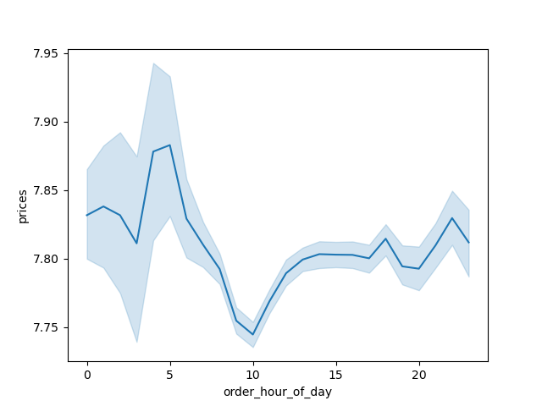

 | Figure 1: It represent the distribution of sales across the 7 days of the week (0 - 6 = Saturday - Friday). Saturday is the busiest day of the week. Weekend is the busiest for sales while. Monday and Tuesday have the lowest sales of the week. |  |  | Figure 2: Represent the distribution of sales by hour throughout the day. The sales peak between 10am and 3pm. The lowest sales are in the early morning hours. |  |  |  | Figure 3: it shows average prices by hours of the day. The whole day price stays between $7.75 and $7.90 so the variation is negligible.

 | Marketing and sales want to use simpler price range groupings to help direct their efforts

Sales by Price of Goods


 | Figure 4: it shows the distribution of pricing (under $25). The vast majority of goods are priced under $15 and the most common price is approximately $7.

 | Are there certain types of products that are more popular than others?

Sales by Department
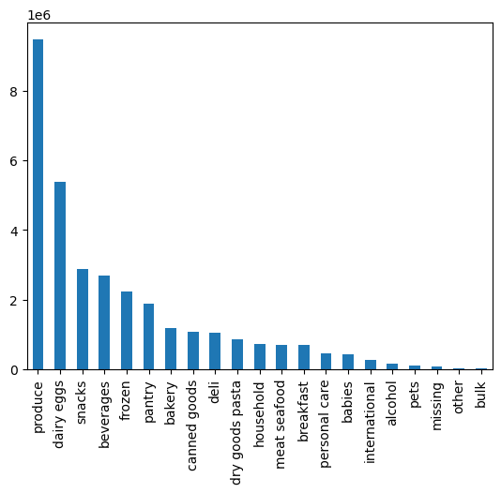

 | Figure 5: it shows the distribution of sales by department. Produce represents the largest department. Dairy and egg products have the second highest sales.

 | The marketing and sales teams are particularly interested in the different types of customers in their system and how their ordering behaviors differ.

Customers by Loyalty Flag |  |  |  | Customer Age and Income |  |  | Age Group Distribution
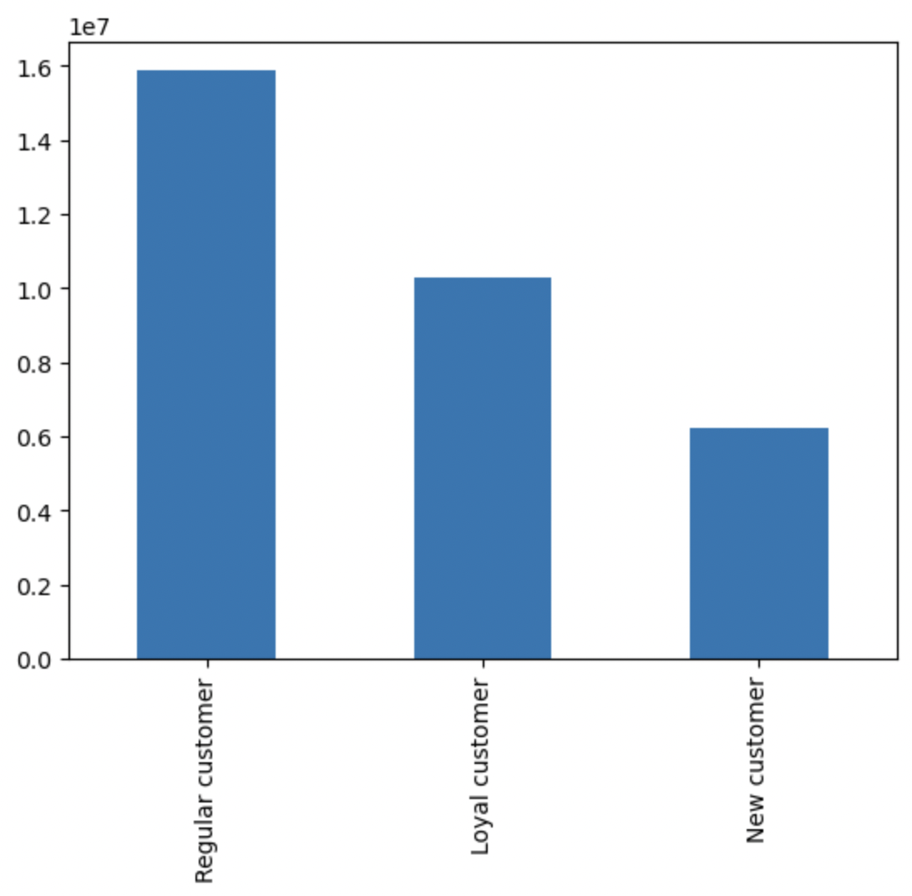


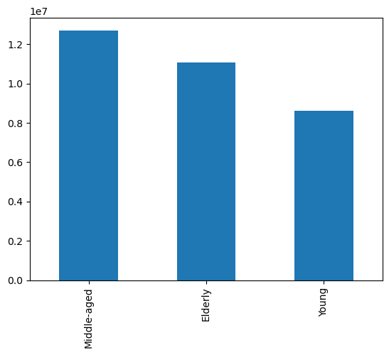

 |  |  |  | Figure 7: The distribution of income across different ages is shown here. There is not a clear pattern however the younger customers (age < 40) tend to have lower incomes than those aged 40 and up.

 |  |  |  |  |  |  |  | Figure 8: middle aged (age between 35 and 60), Elderly people (age over 60s), Young (age under 35s)
 | Figure 6: it shows the distribution of customers by their loyalty flag. Regular customers are the highest (who placed between 10 and 40 order). Loyal customers were those place more than 40 orders.

Number of Dependents by Age |  |  |  | Age Group by Region |  |  |  | Income Group Distribution

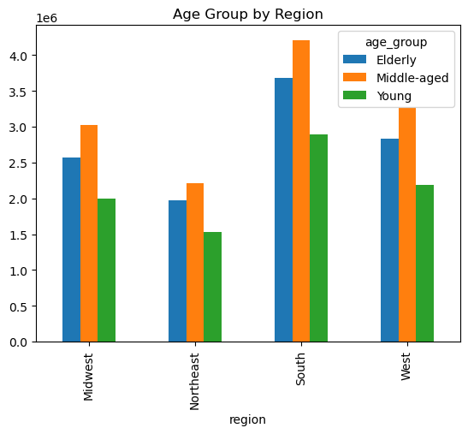
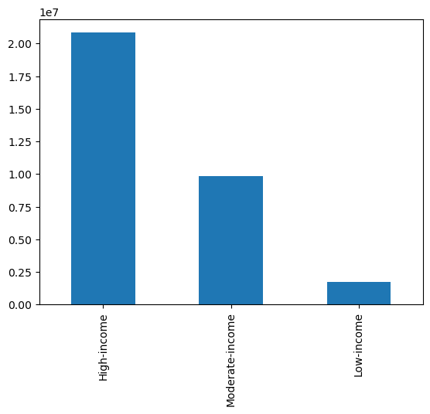

 | Figure 9: There is very little pattern to note of here in the distribution of dependents among the different ages of customers.

 |  |  |  | Figure 10: South represents the largest region.

 |  |  |  |  |  |  |  | Figure 11: High income customers (over $80,000) represent the largest group followed by moderate (between $40,000 and $80,000), low-income customers represent the smallest group.

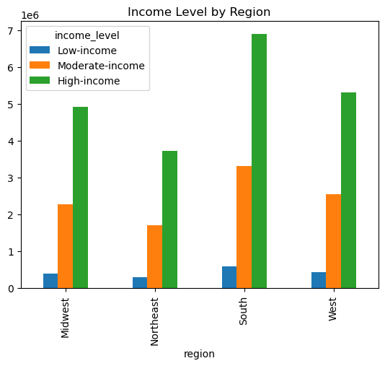
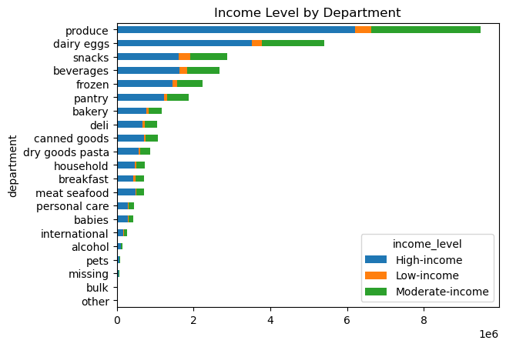

 | Figure 12: The distribution of income groups across the different regions looks very similar in terms of proportions. |  |  | Figure 13: As we would expect high-income customers represent the largest percentage of sales.

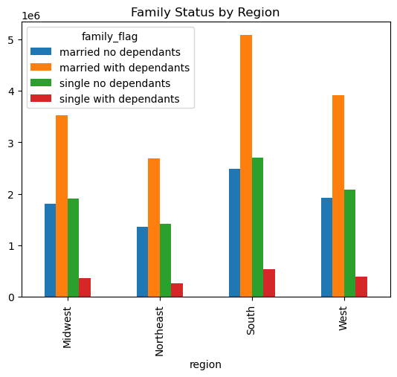
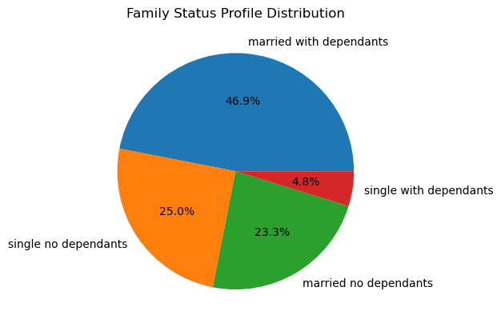

 |  | Figure 14: The pie chart shows the distribution of different family profiles. The largest group of customers are married with dependents. Single with dependents are very low.

 |  |  |  |  | Figure 15: The distribution of family groups across the different regions do not appear to present any significant patterns.

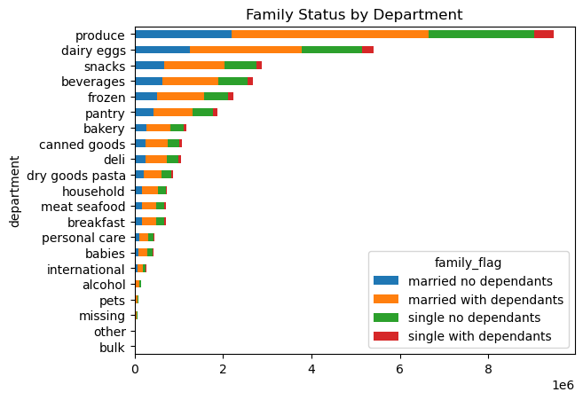

 | Figure 18: produce is most popular followed by dairy, eggs, snacks etc.

Recommendations
 | Title page

Recommendations

In this tab you should include any recommendations you would made to Instcart in terms of their marketing strategy based on the questions posed in the brief. Every key question has been covered in the Tasks of the Exercises - here you need to add an item - a visualisation or table/crosstable that is showing the answer in the data, acompanied by a comment from you. Please, list the questions below and add the answer underneath.

Question
What are the busiest days and hours of the day?
Answer
Friday, Saturday and Sunday are the busiest days of the week. In these days and the busiest hours are 9 AM to 4 PM .
Reccomendation: Schedule sales/ads on Tuesday or Wednesday between 9-4 to increase sales. Promote items over the weekend when most users are using the appilication.
Question
Which time of day do customers spend the most money?
Answer
There is very minor difference in amount spent over the course of the day. It is between 3 am - 7 am.
Reccomendation:
Instacart could place ads for higher priced items in the early morning to see if there is any increase in sale for them.
Question
What are our price groupings?
Answer
under or = $5.00 is a low range product
over $5.00 - under $15.00 is a mid range product
over $15.00 is a high range product
The majority of products are mid range products (about 60%)
Question
What are the most popular departments?
Answer
Produce, Dairy/Eggs and Snacks are the most popular.
Reccomendation:
Find the reason, why these are the most popular. The survey Could be conducted and ask customers what they are buying and why? Give the customer special offer on weekends to promote the products.
Question
What is the distribution of brand loyalty?
Answer
Regular and loyal customers make up the majority of our client.
Reccomendation:
Our goal should be to convert regular customer to loyal, and new customer to regular. Collect points and Redeem for an special offer on an app would be a good option.
Question
Are there differences in ordering habits based on a customer’s loyalty status?
Answer
based on loyalty , the spending pattern across departments looks relatively consistent.
Reccomendation:
Look into areas like various departments other than loyalty status when it comes to customer spending.
Question
Are there differences in ordering habits based on a customer’s region?
Answer
It seem relatively consistent.
Reccomendation:
Understand client's behavior and study the location.
Question
Is there a connection between age and family status in terms of ordering habits?
Answer
There is no direct connection between age and family status. Most customers are married and young adults.
Reccomendation:
Target Married young adults is high populated group so target them to increase the buisness.
Question
What different classifications does the demographic information suggest?
Answer
Young Adults 18-44, married, with kids and middle income 52k-155k make up the majority of the IC customer base.
People with kids are 75% of the customers.
Reccomendation:
Target this group as the most important. Increaase marketing for items which are family oriented, offer family incentive plans.
Question
What differences can you find in ordering habits of different customer profiles?
Answer
Married customers with kids seem to spend the most. They are purchasing over 75% of from dairy, snack, frozen, dry goods, bakery etc department.
The most popular day to order is Saturday with the exception of lower income. The lower income population tends to order on Sundays
Reccomendation:
Focus marketing strategies to reach famllies with kids. Offer special coupons on Sundays.

